TIPE JALAN
h0
No. | Uraian Ruangan / Pekerjaan | Panjang (m) | Lebar (m) | Jumlah (Unit) | Luas Keramik (m²) | Keliling (m) | Shadow Line (m)
1 | Ruang Sound (As 1-2 / E-F) |  |  | 1
2 | Gudang (As 3-4 / E-F) |  |  | 1
3 | Ruang Imam (As 2-3 / E-F) |  |  | 1
4 | Area Sholat Utama (As 1-3 / B-E) |  |  | 1
5 | Area Sholat Samping (As 3-4 / C-E) |  |  | 1
6 | Teras Depan (As 1-4 / A-B) |  |  | 1
7 | Area Void (As 3-4 / B-C) |  |  | 1
 | TOTAL VOLUME |  |  |  | 0.00 | 0.00 | 0.00
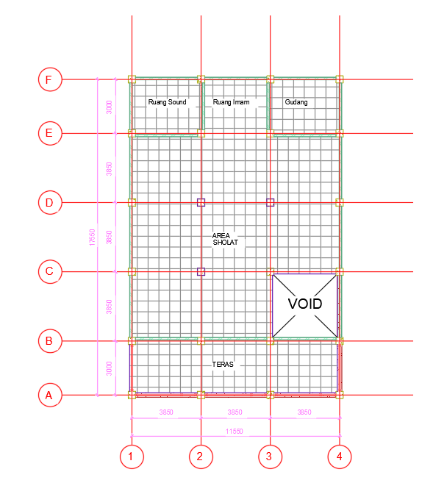
 |  |  |  |  |  | Note
 |  |  |  |  |  |  | By Gambar
 |  |  |  |  |  |  | Perhitungan

TIPE GEDUNG
No. | Uraian Ruangan / Pekerjaan | Panjang (m) | Lebar (m) | Jumlah (Unit) | Luas Keramik (m²) | Keliling (m) | Shadow Line (m)
1 | Ruang Sound dan Gudang (As 1-2 / F-G) |  |  | 1
2 | Ruang Imam (As 2-3 / F-G) |  |  | 1
3 | Area Sholat Depan (As 1-4 / E-F) |  |  | 1
4 | Area Sholat Utama (As 2-4 / B-E) |  |  | 1
5 | Area Sholat Samping (As 1-2 / C-E) |  |  | 1
6 | Teras Depan (As 1-4 / A-B) |  |  | 1
7 | Area Void (As 1-2 / B-C) |  |  | 1
 | TOTAL VOLUME |  |  |  | 0.00 | 0.00 | 0.00
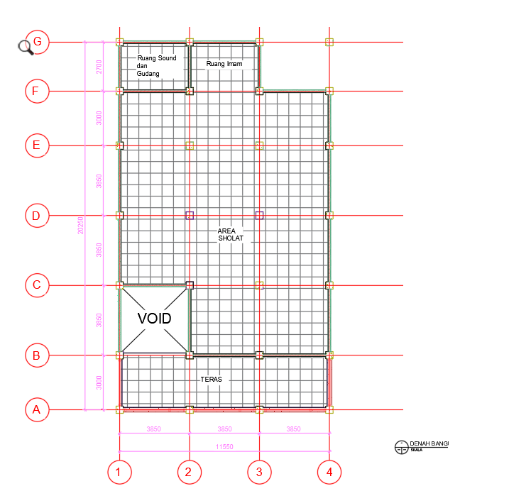
 |  |  |  |  |  | Note
 |  |  |  |  |  |  | By Gambar
 |  |  |  |  |  |  | Perhitungan

TIPE EMBUNG
No. | Uraian Ruangan / Pekerjaan | Panjang (m) | Lebar (m) | Jumlah (Unit) | Luas Keramik (m²) | Keliling (m) | Shadow Line (m)
1 | Ruang Sound dan Gudang (As 3-4 / E-F) |  |  | 1
2 | Ruang Imam (As 2-3 / E-F) |  |  | 1
3 | Area Sholat Utama (As 2-4 / B-E) |  |  | 1
4 | Area Sholat Samping (As 1-2 / C-E) |  |  | 1
5 | Teras Depan (As 1-4 / A-B) |  |  | 1
6 | Area Void (As 1-2 / B-C) |  |  | 1
 | TOTAL VOLUME |  |  |  | 0.00 | 0.00 | 0.00
 |  |  |  |  |  | Note
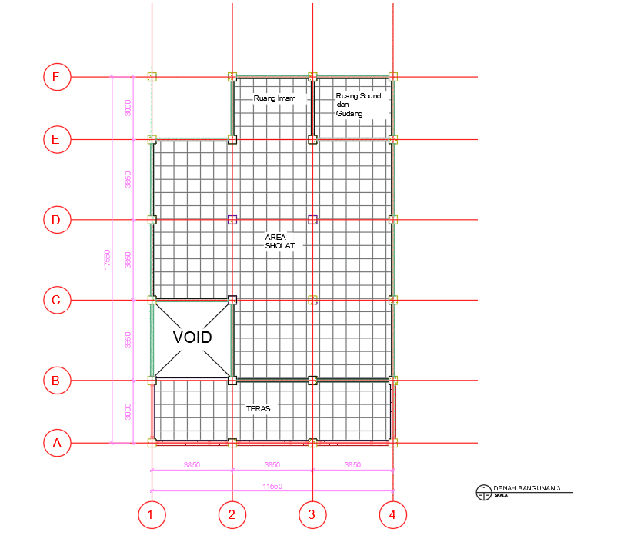
 |  |  |  |  |  |  | By Gambar
 |  |  |  |  |  |  | Perhitungan

